Hiearchy View
CLASS: VEHICLE BARRIER
stop the attack of a particular vehicle traveling at a certain speed within a strict set of guidelines. |  | 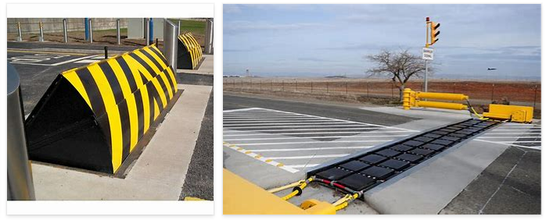
REMOVE | N

PROBLEM_DESC | CAUSE_DESC | REMEDY_DESC
ALARM/SENSOR
BROKEN/DAMAGED
NOISE
OTHER PROBLEM
OVERHEATING
POWER-ELEC
STOPPED/SLOWED/POOR OPS
TEMP-CTRL
VIBRATION
Grand Total

